Sheet1
Week Start | Bookings | forecast
2024-04-07 | 210.38910423 | 251.68708876
2024-04-14 | 263.20042942 | 283.60249654
2024-04-21 | 1009.0119812 | 810.10521747
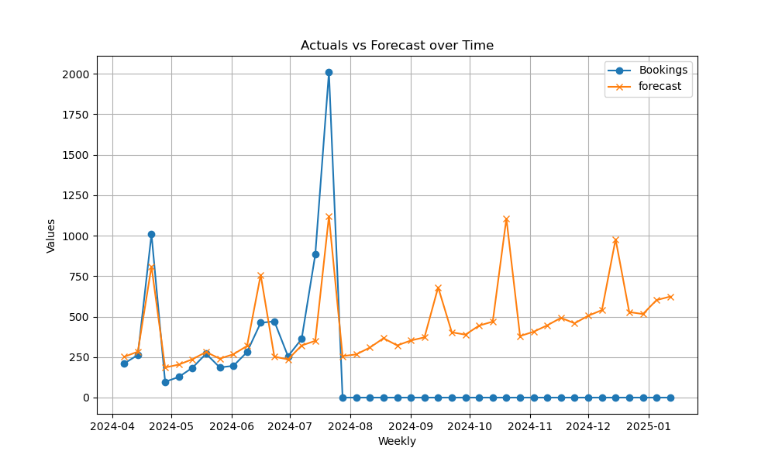
2024-04-28 | 97.261724383 | 185.85157939
2024-05-05 | 127.44469878 | 203.66357954
2024-05-12 | 184.17437914 | 236.68720832
2024-05-19 | 270.95880789 | 281.47477108
2024-05-26 | 186.46929178 | 240.21899024
2024-06-02 | 195.79559512 | 267.51155644
2024-06-09 | 280.90080338 | 318.65848107
2024-06-16 | 461.89641554 | 757.48560025
2024-06-23 | 470.62774724 | 252.75234441
2024-06-30 | 255.51230512 | 235.49785392
2024-07-07 | 362.0504562 | 321.75955471
2024-07-14 | 883.34763734 | 350.41564618
2024-07-21 | 2010.1139231 | 1119.2169929
2024-07-28 | 0 | 255.7258362
2024-08-04 | 0 | 266.74222634
2024-08-11 | 0 | 308.92700488
2024-08-18 | 0 | 366.46665596
2024-08-25 | 0 | 321.97131823
2024-09-01 | 0 | 352.43694048
2024-09-08 | 0 | 372.00411221
2024-09-15 | 0 | 680.83864501
2024-09-22 | 0 | 403.01681806
2024-09-29 | 0 | 388.63192368
2024-10-06 | 0 | 444.52134679
2024-10-13 | 0 | 469.02949272
2024-10-20 | 0 | 1106.0665397
2024-10-27 | 0 | 379.92961797
2024-11-03 | 0 | 406.79819403
2024-11-10 | 0 | 446.47208306
2024-11-17 | 0 | 492.56063103
2024-11-24 | 0 | 458.67716491
2024-12-01 | 0 | 505.63296974
2024-12-08 | 0 | 540.12072996
2024-12-15 | 0 | 977.99754269
2024-12-22 | 0 | 528.1130405
2024-12-29 | 0 | 515.92081274
2025-01-05 | 0 | 602.03116499
2025-01-12 | 0 | 623.76078

